C#
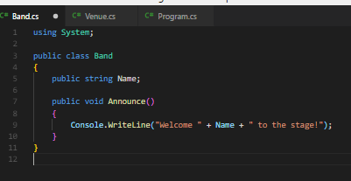
Try C#
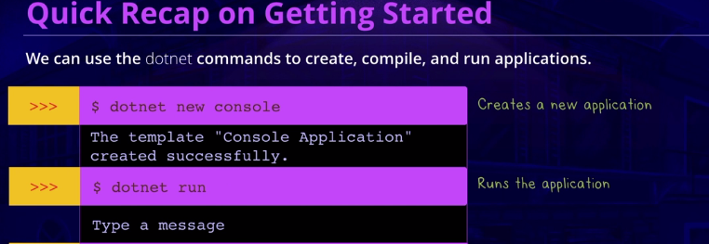

 |  |  | dotnet new console

 |  |  | dotnet run

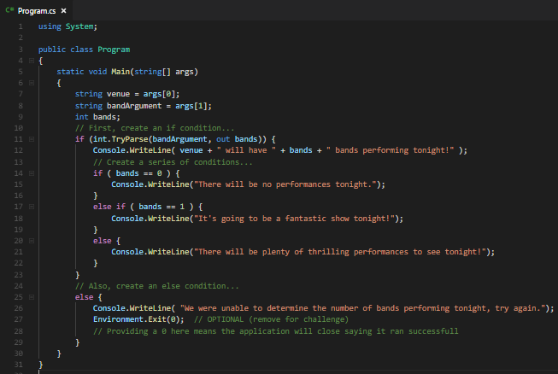
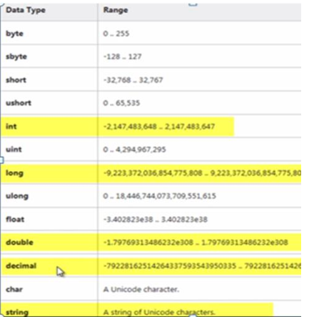
DATATYPES |  |  |  | CONDITIONALS
 |  |  |  | if condition
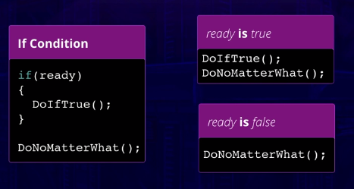

 |  |  |  |  |  |  |  |  | int.TryParse( inputString, out outputInt ) to try to parse, returns true or false

 |  |  |  | else condition
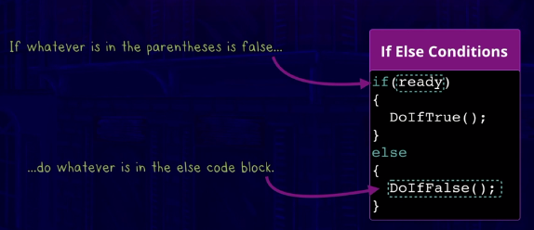

 |  | int.Parse() to convert from string to int
 |  | int.TryParse( inputString, out outputInt ) to try to parse, returns true or false
bool | true / false

 |  |  |  |  |  |  |  |  | Environment.Exit()
 |  |  |  | else if condition
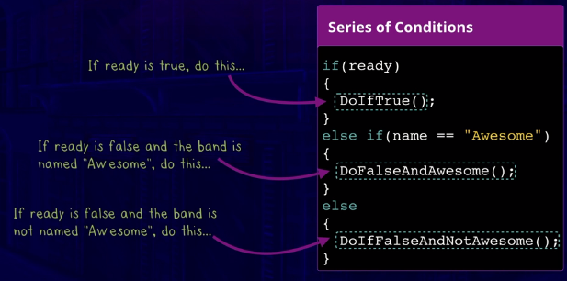

Getting Classy with C#

Level 1
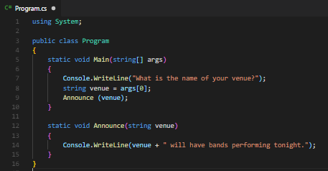

 |  |  | static : keyword can be applied to a variable, method or class. It has only one instance per class, the counter is shared. In instances the counter resets.
 |  |  | the advantage of static is, when public, they can be used by other classes without having to create an instance of the class

Level 2
Classes and Objects |  |  | Instance |  | Namespace |  |  | Using directive : using System; | givesaccess to our System Namespace, letting our Compiler know where to find Console
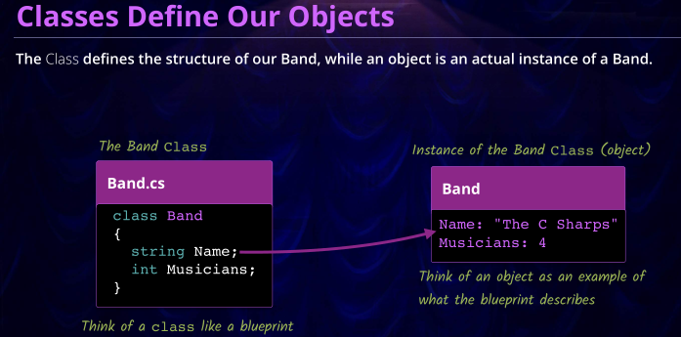
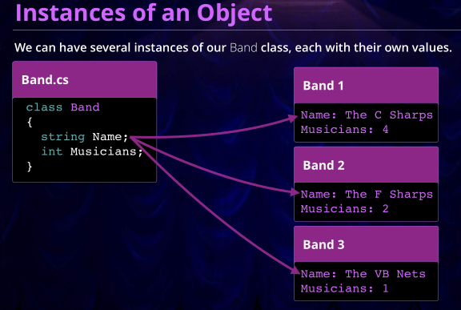
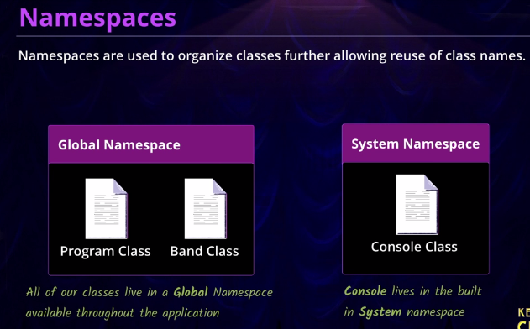
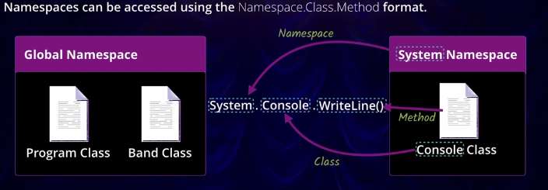
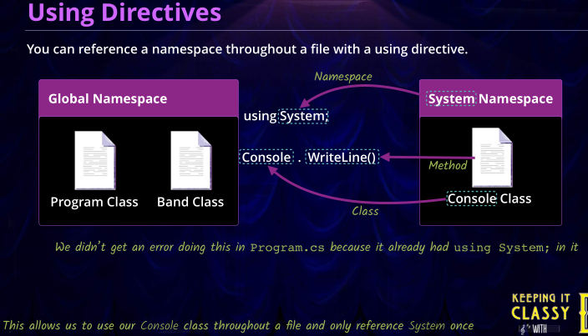

 |  |  | create an instance of an object
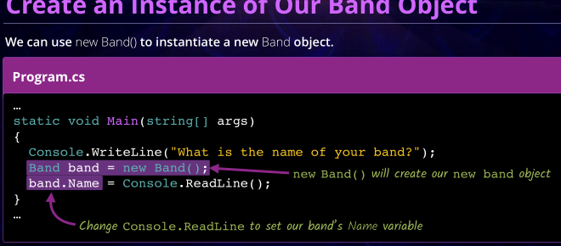

 |  |  |  | ClassName variableName = new ClassName()
 |  |  |  | Or use var : var variableName = new ClassName()

 |  |  | object initializer
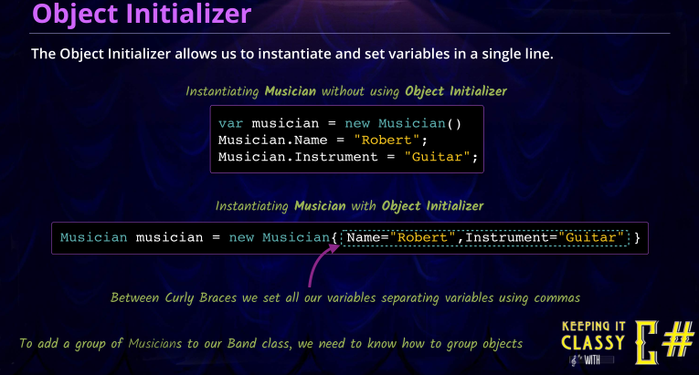

Access Modifiers / Encapsulation |  | private (default) , protected, internal, public,
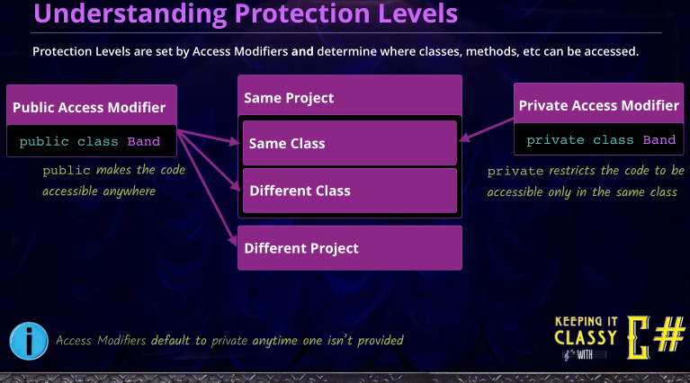
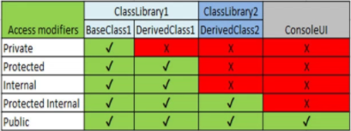

Level 3

Groups of Objects |  | https://docs.microsoft.com/en-us/dotnet/csharp/programming-guide/arrays/single-dimensional-arrays |  |  | arrayType[] arrayName = new arrayType[fixed size]
 | Arrays [fixed size] | arrayType[] arrayName = new arrayType[fixed size] |  | Lists <variying size> | List<listType> listName = new List<listType>() |  | empty
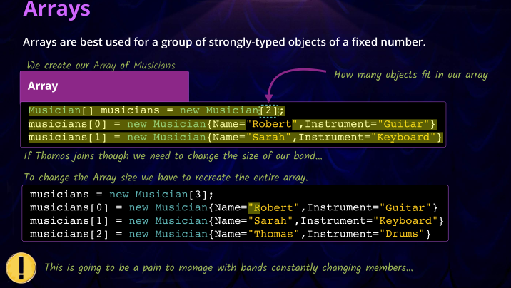
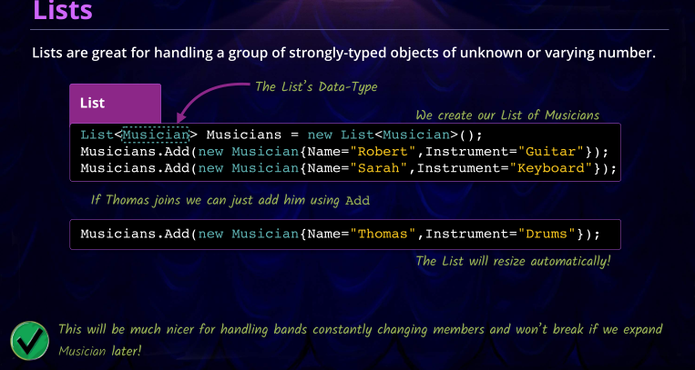
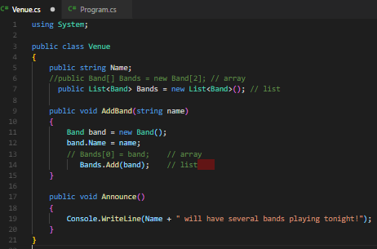
 |  |  |  |  |  |  |  |  | Venue.cs
 |  |  |  |  |  | need directive using.System.Collections.Generic;

 |  |  |  |  |  |  |  |  |  |  | Array declarations
 |  |  |  |  |  |  |  |  |  |  | int[] nums = {1, 2, 3};
 |  |  |  |  |  |  |  |  |  | array declaration | for (int i = 0; i < nums.Length; i++)
 |  |  |  |  |  |  |  |  |  | list declaration | Console.WriteLine(nums[i]);

 |  |  |  |  |  |  |  |  |  |  | string[] names = new string[5];
 |  |  |  |  |  |  |  |  |  |  | names[0] = "David";

 |  |  |  |  |  |  |  |  |  | defining array | float[,] twoD = new float[rows, cols];
 |  |  |  |  |  |  |  |  |  | adding to list | twoD[2,0] = 4.5f;

 |  |  |  |  |  |  |  |  |  |  | int[][] jagged = new int[3][] {
 |  |  |  |  |  |  |  |  |  |  | new int[5], new int[2], new int[3] };
 |  |  |  |  |  |  |  |  |  |  | jagged[0][4] = 5;

Level 4

LOOPS
 | while |  | do while | for | foreach
 | (break)
 | while (i < 10) i++; |  | do i++; while (i < 10); | for (i = 2; i <= 10; i += 2) Console.WriteLine(i); | foreach (int i in numArray/list) sum += i;
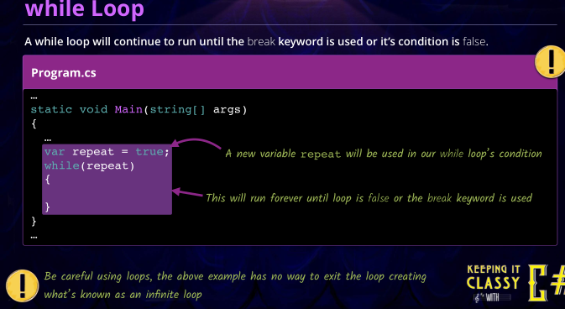
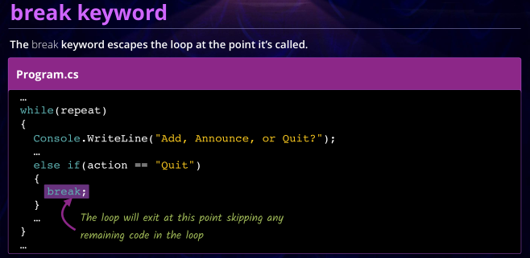
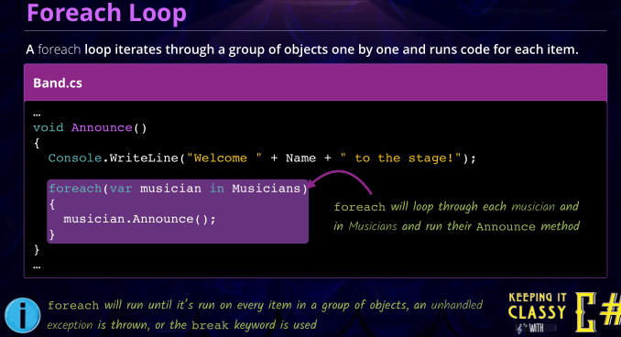

Level 5

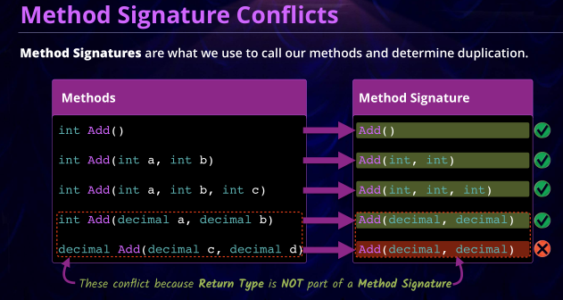
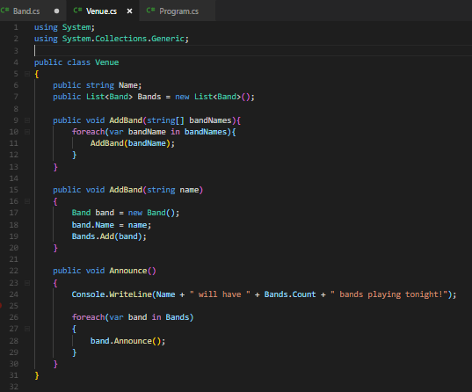
Method Overloading (Polymorphism)
 |  |  |  |  | Venue.cs
 | Overloading means:
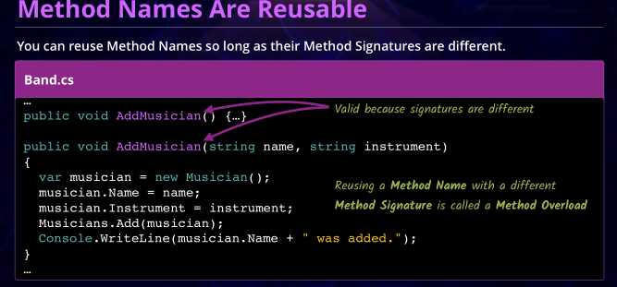

 |  |  |  |  |  |  |  | overriding: if pass in an array of bandnames, add the band names in the array

 |  |  |  |  |  |  |  | if you pass in a single bandname, just add that single band name

 |  |  |  |  |  |  |  | Program.cs
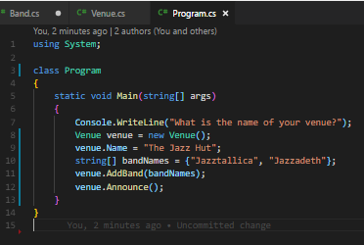

 | https://docs.microsoft.com/en-us/dotnet/

